Sheet1
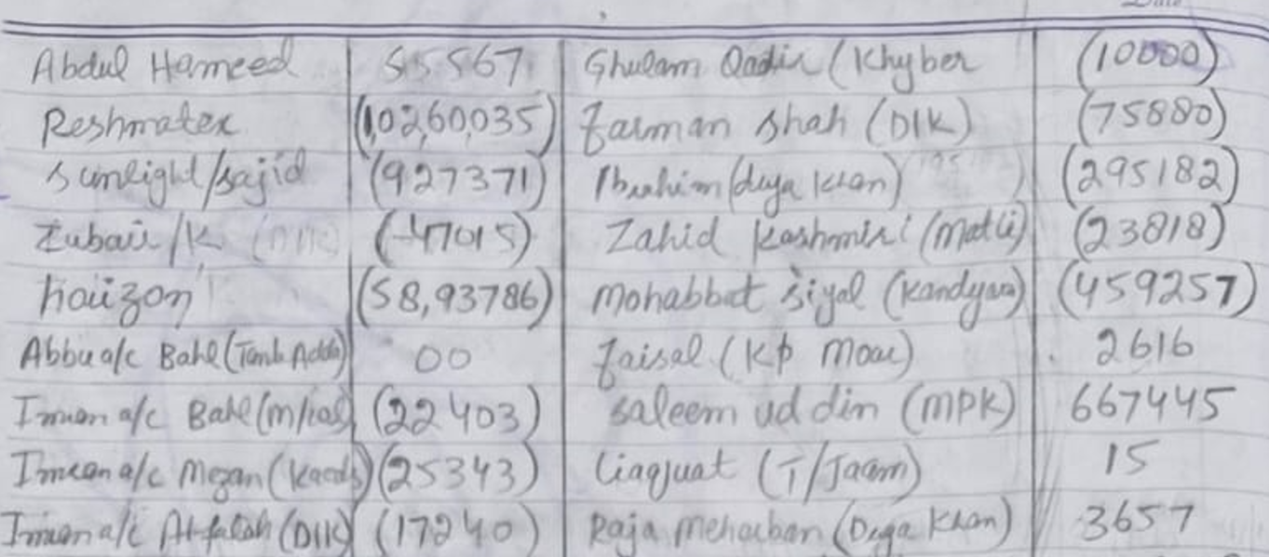

S. # | Head of Account | Name | Amount
1 | Payable | Abdul Hameed | 55,567 | Balanced Sheet (Imran Aslam)
2 | Receivables | Reshmatex | (10,260,035) | AS on 31 Dec 24
3 | Receivables | Sunlight / Sajid | (927,371)
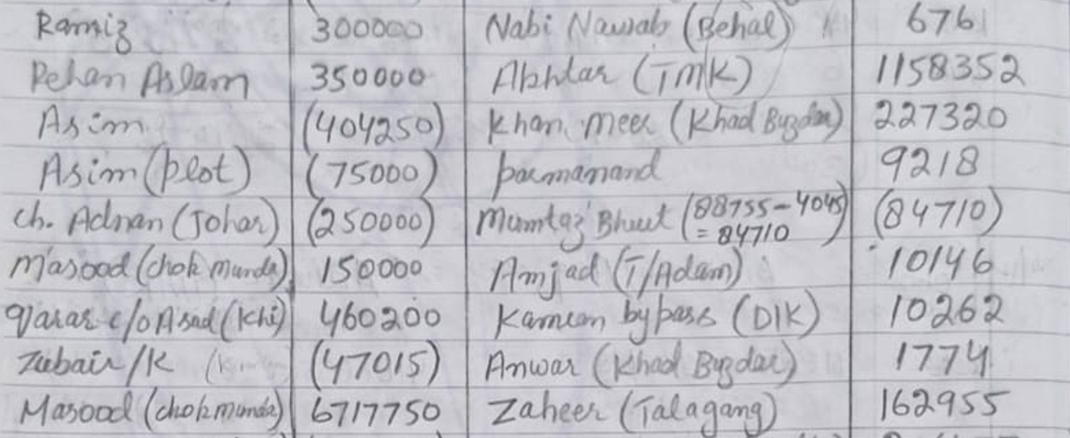
4 | Receivables | Zubair / K | (47,015) | Currents Asset
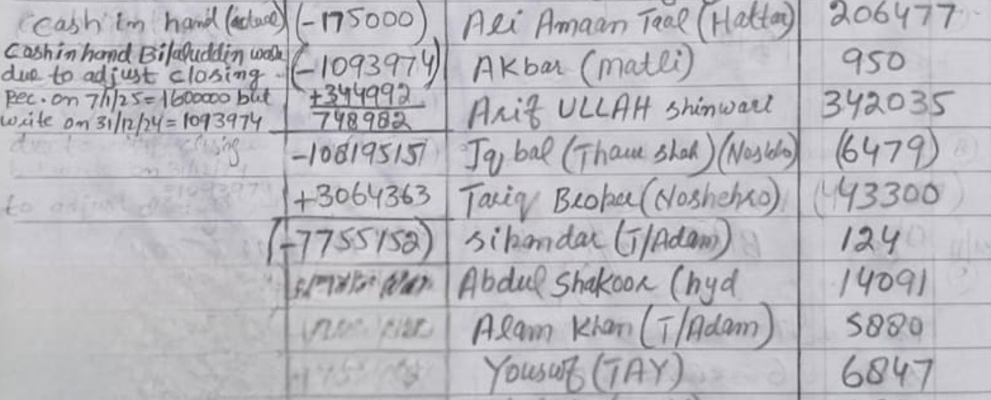
5 | Receivables | Haizan | (5,893,786) | Cash | (923,982)
6 | Bank | Abbu BAHL Acc (Tank Adda) | - | Bank | (71,593)
7 | Bank | Imran BAHL Acc (xxx) | (22,403) | Receivables | (18,812,783)
8 | Bank | Imran Meezan Acc (Karachi) | (25,343)
9 | Bank | Imran BAFL Acc (DIK) | (17,240) | Fixed Assets
10 | Bank | Imran Allied Bank (DIK) | (6,607)
11 | Other Payable | Ramiz | 300,000 | Total Assets | -19,808,358
12 | Other Payable | Rehan Aslam | 350,000
13 | Receivables | Asim | (404,250) | Liabilities
14 | Receivables | Asim (Plot) | (75,000)
15 | Receivables | Ch. Adnan (Johar) | (250,000) | Other Payable | 650,000
16 | Payable | Massod (Chowk Munda) | 150,000 | Payable | 11,403,206
17 | Payable | Qarar c/o Asad (Karachi) | 460,200
18 | Payable | Masood (Chowk Munda) | 6,717,750
19 | Cash | Cash in Hand (Actual) | (175,000)
20 | Cash | Cash in Hand Bilal uddin work due to adjust closing Rec on 7/1/25 = 1,600,000/- but write on 31/12/24 = 1,093,974/- | (748,982)
21 | Receivables | Ghulam Qadir (Khuber) | (10,000)
22 | Receivables | Farman Shah (DIK) | (75,880) |  | Asset = CAP + LIA
23 | Receivables | Ibraheem (Darya Khan) | (295,182)
24 | Receivables | Zahid Kashmiri (Matli) | (23,818)
25 | Receivables | Mohabbat Siyal (Kanyaro) | (459,257)
26 | Payable | Faisal (KP Mor) | 2,616
27 | Payable | Saleem uddin (MPK) | 667,445
28 | Payable | Liaquat (T/Jaam) | 15
29 | Payable | Raja Meherban (Darya Khan) | 3,657
30 | Payable | Abdul Qadir (Kahd Buzdar) | 1,145,318
31 | Payable | Nabi Nawab (Behal) | 676
32 | Payable | Akhtar (TMK) | 1,158,352
33 | Payable | Khan Meer (Khad Buzdar) | 227,320
34 | Payable | Parmanand | 9,218
35 | Receivables | Mumtaz Bheet (88755-4045 = 84710) | (84,710)
36 | Payable | Amjad (T / Adam) | 10,146
37 | Payable | Kamran Bypass (DIK) | 10,262
38 | Payable | Anwar (Khad Buzdar) | 1,774
39 | Payable | Zaheer (Talagang) | 162,955
40 | Payable | Ali Amaan Taal (Hattar) | 206,477
41 | Payable | Akbar (Matli) | 950
42 | Payable | Arif ullah Shinwari | 342,035
43 | Receivables | Iqbal (Tham Shah- Noshero) | (6,479)
44 | Payable | Tariq Broper (Noshehro) | 43,300
45 | Payable | Sikandar (T / Adam) | 124
46 | Payable | Abdul Shakoor (Hyderabad) | 14,091
47 | Payable | Alam khan (T / Adam) | 5,880
48 | Payable | Yousuf (TAY) | 6,847
49 | Payable | Shahid (TAY) | 231
 |  |  | (7,755,152)

 |  |  | (7,755,152)

 |  |  | -

